1. Title Page
Grocery Basket Analysis

Project Name: Instacart Grocery Basket Analysis
Date: 9/2/2022
Analyst Name: Dana Loewen

Contents:
Population Flow
Consistency checks
Wrangling steps
Column derivations
Visualizations
Recommendations

Data Source:
“The Instacart Online Grocery Shopping Dataset 2017”, Accessed from https://www.instacart.com/datasets/grocery-shopping-2017 on [date].
Note: Customer data and prices column data were fabricated for learning purposes.

2. Population Flow
Title page

Population flow

Exclusion flag
Condition: max_order < 5
Obervations to be removed: 1,441,570
Final total count of order_products_all: 30,993,489

Orders_products_combined
Orders_products_merged
Orders_products_all

Total: 32,435,070
Total: 32,434,489
Total: 32,435,059

1.) The grey boxes in the first row of the population flow represent the original data sets as they were when you downloaded them. In the Total fields you need to add the count of the rows when you imported the data set into Jupyter.
2.) The second row of boxes (coloured) represents the data sets after you manipulated them, e.g., removed missing values and duplicates. In the Total fields you need to add the count of the rows after conducting these operations. This offers a visual oveview of how the data flows throughout the data consistency checks.
3.) The third row, where also the arrows are coloured, represents the merges you performed between the datasets. In the Total fields you need to add the count of the rows in the merged datasets, so that you end up with the final dataset (in the red box). Keep in mind the final dataset should be without exclusions (based on the exclusion flag).

3. Consistency checks
 |  |  |  | Title page
Consistency checks

Dataset | Missing values | Missing values treatment | Duplicates
orders | 206,209 | keep
products | 16 | remove | 5
orders_products_prior
customers

4. Wrangling steps
 |  |  |  | Title page
Wrangling steps

Columns dropped | Columns renamed | Columns' type changed | Comment/Reason
eval_set |  |  | not needed
 | order_dow : orders_day_of_week |  | better readability
 |  | order_id : string | ID is not a calculable number
 |  | user_id : string | ID is not a calculable number
 | days_since_prior_order : days_since_last_order |  | better readability
first_name |  |  | removing PII
Surnam |  |  | removing PII
Gender |  |  | not needed
date_joined |  |  | not needed
 | STATE : state |  | consistant capitalization
 | Age : age |  | consistant capitalization
 | n_dependants : number_of_dependents |  | readability
 | fam_status |  | readability

5. Column derivations
 |  |  |  | Title page

Column derivations and aggregations

In this tab you should add tables below that the frequences of flags/label variables that you produced after deriving them. NB: don't do this for continuous variables, only for flags.
Dataset | New column | Column/s it was derived from | Conditions
orders | new_customer | days_since_last_order | If days_since_last_order is null, new_customer is True.
orders_products_merged | price_range_loc | prices | prices > 15 = High-range product, prices <= 15 & >5 = Mid-range product, prices <= 5 = Low-range product
orders_products_merged | busiest_day | orders_day_of_week | If 0 = Busiest day, if 4 = Least busy, else Regularly busy
orders_products_merged | busiest_days | orders_day_of_week | If 0 or 1 = Busiest days, if 3 or 4 = Least busy, else Regularly busy
orders_products_merged | busiest_period_of_day | order_hour_of_day | 9-16 = Most orders, 0-6, 23 = Fewest orders, 7-8, 17-22 = Average orders
orders_products_merged | max_order | user_id, order_number | group by user _id and max of order_number
orders_products_merged | loyalty_flag | max_order | If max_order > 40 = Loyal customer, < = 40 & > 10 = Regular customer, <= 10 = New customer
orders_products_merged | avg_spent | user_id, prices | group by user _id and average of prices
orders_products_merged | spender_flag | avg_spent | If avg_spent < 10 = Low spender, >= 10 High spender
orders_products_merged | order_frequency | user_id, days_since_last_order | Group by user_id and median of days_since_last_order
orders_products_merged | order_frequency_flag | order_frequency | If order_frequency > 20 Non-frequent customer, <= 20 & > 10 = Regular customer, <= 10 = Frequent customer
orders_products_all | region | state | Regions northeast, midwest, south, and west as defined by Wikipedia article

6. Visualizations
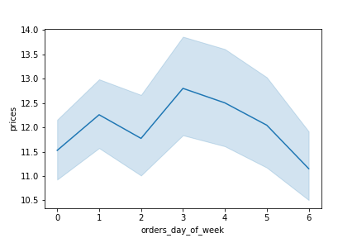
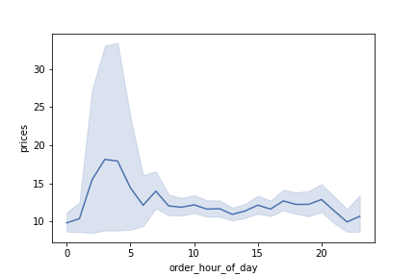
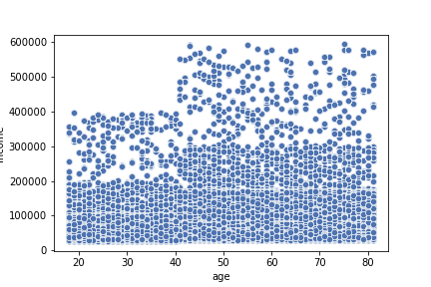
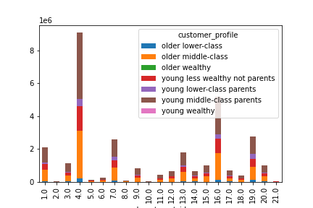
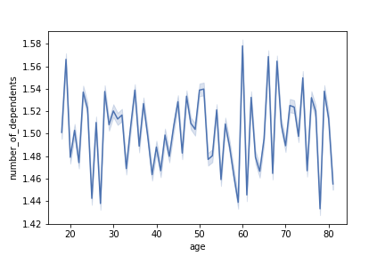
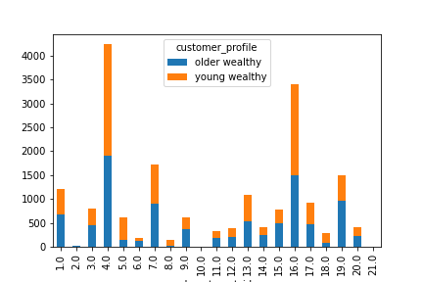
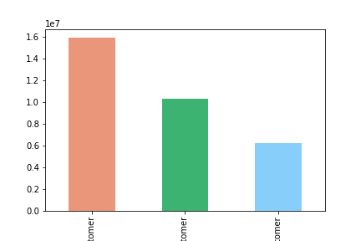


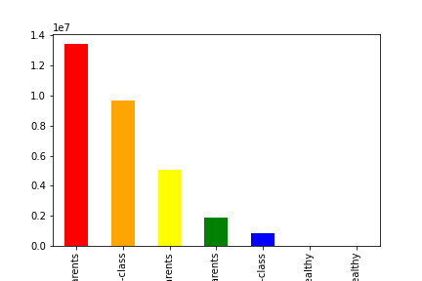
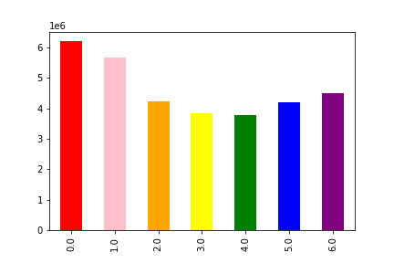
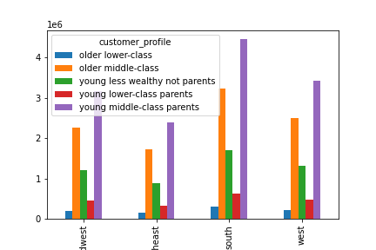
Title page

Visualisations
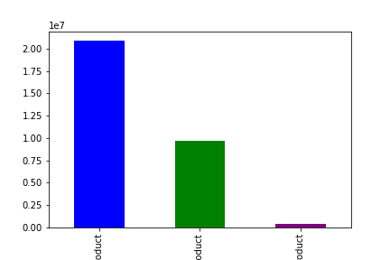

In this tab you should include all the visualtions from Exercises 4.9 and 4.10, alongside the questions from the project brief that they answer. Include any commentary on the relationship between different variables.

7. Recommendations
 |  |  |  |  | Title page

Recommendations

In this tab you should include any recommendations you would made to Instcart in terms of their marketing strategy based on the questions posed in the brief. Every key question has been covered in the Tasks of the Exercises - here you need to add an item - a visualisation or table/crosstable that is showing the answer in the data, acompanied by a comment from you. Please, list the questions below and add the answer underneath.

Question | Answer
Key Question 1 : What are the busiest days of the week? What are the busiest hours of the day? |  | As seen on the chart to the left, the busiest days of the week are Saturday (0), followed by Sunday (1). The least busy days are Wednesday (4), followed by Tuesday (3). As seen on the chart to the right, the busiest hours are around 11 a.m. to 5 p.m. and the least busy hours are around 1 a.m. to 6 a.m.
Key Question 2 : What hours of the day do customers spend the most money? |  | Customers spend the most money between 1 a.m. and 5 a.m.
Key Question 3 : How can the products be grouped according to price ranges? |  | This shows mid-range products in blue, defined as <= 15 & >5; low-range products in green, defined as <= 5; and high-range products in purple, defined as >15.
Key Question 4 : Which types of products are the most popular? |  | The most popular products are produce (4) and dairy/eggs (16).
Key Question 5 : What’s the distribution among users in regards to their brand loyalty (i.e., how often do they return to Instacart)? |  | This chart shows the distribution of orders according to loyalty_flag. The salmon color is Regular customers, the green is Loyal customers, and the blue is New customers.
Key Question 6 : Are there differences in ordering habits based on a customer’s loyalty status? |  | You would expect that the Loyal customers would also be the Frequent customers, but Regular customer and Frequent customer have the most crossover. It's not a very big difference though.
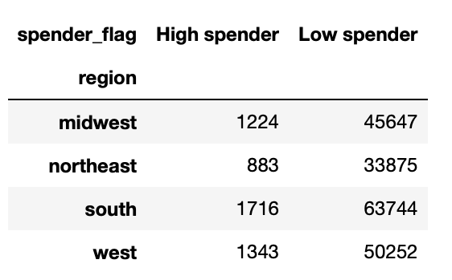 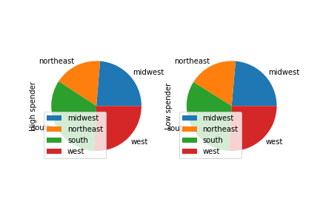 Key Question 7 : Are there differences in ordering habits based on a customer’s region? |  | These charts show that when you compare the percentage of each region in the high spender and low spender groups, they are the same, meaning there is the same portion of high and low spending in each region.
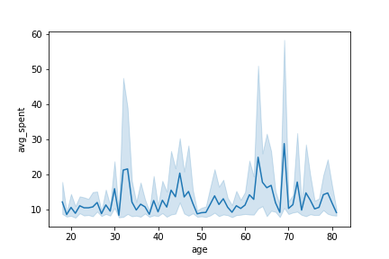 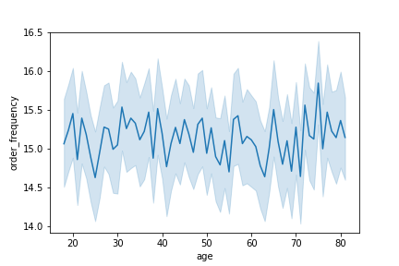 Key Question 8 : Is there a connection between age and family status in terms of ordering habits? |  | Different ages do have differences in amounts spent. Customers under 30 spend less than anyone older. Age 60-70 have the highest spending. Comparisons between order frequency and age, and in number of dependents and order frequency and spending do not show any significant trends. | 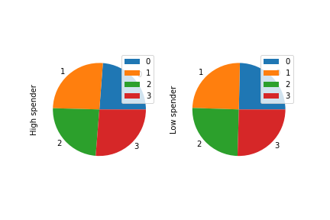 | 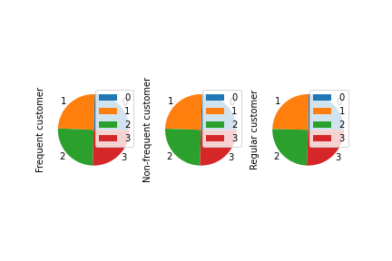
Key Question 9 : What different classifications does the demographic information suggest? Age? Income? Certain types of goods? Family status? |  | These are the distribultion of customers based on different classifications: Red - young middle-class parents, Orange - older middle-class, Yellow - young less wealthy not parents, Green - young lower-class parents, Blue - older lower class, Purple - older wealthy, Pink - young wealthy.
Key Question 10 : What differences can you find in ordering habits of different customer profiles? Consider the price of orders, the frequency of orders, the products customers are ordering, and anything else you can think of.
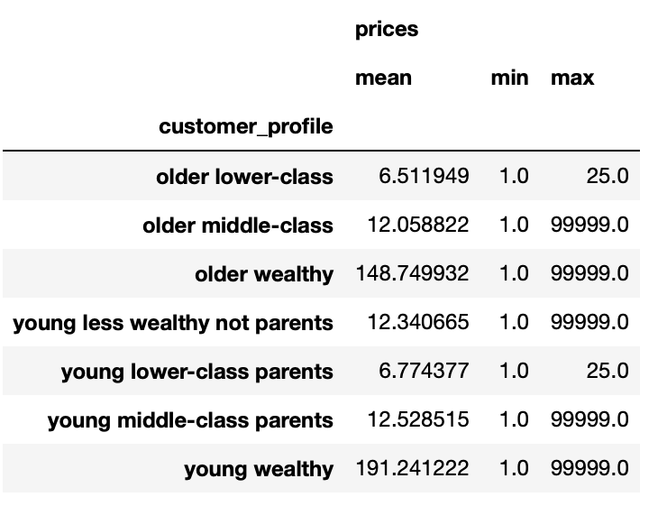
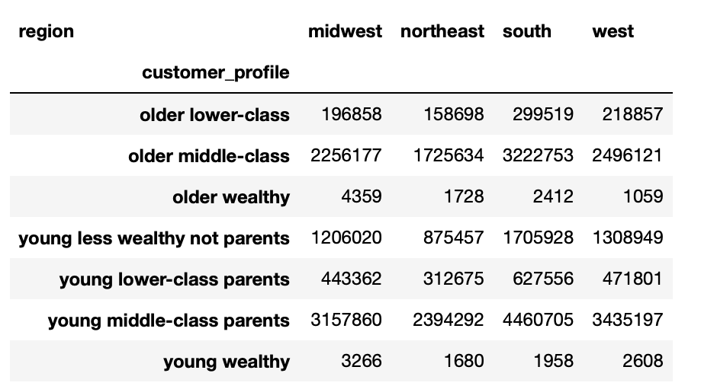
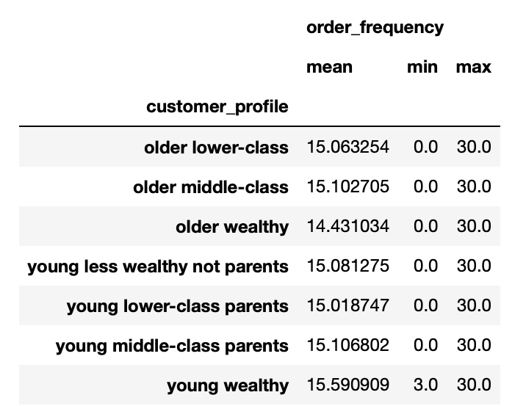

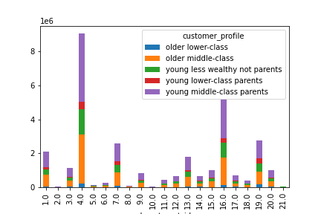
The wealthy do spend the most on average, but keep in mind that there are much fewer wealthy than any other demographic. I would still recommend on focusing ads on the middle-class, especially young middle-class parents, since they make up the largest group as seen in the chart for Question 9. |  | Order frequency is the same on average for all groups.

 | Customer groups by region don't seem to vary much. All have the most in the South.

 |  |  |  |  | All customer demographics bought produce and eggs/dairy the most.

